NJFCP
 | NJ MUTUAL FUND

NJFCP | NJ Flexi Cap Fund
 | (An open ended dynamic equity scheme investing across large cap, mid cap, small cap stocks)

 | Half-Yearly Portfolio Statement for the period ended September 30, 2023
 | Name of the Instrument | ISIN | Industry / Rating | Quantity | Market/Fair Value (Rs. in Lakhs) | % to Net Assets | YTM~ | YTC^ | null
 | Equity & Equity related
 | (a) Listed / awaiting listing on Stock Exchanges
PFCL01 | Power Finance Corporation Limited | INE134E01011 | Finance | 894,179 | 2,252.44 | 4.47%
BALN01 | Bajaj Auto Limited | INE917I01010 | Automobiles | 40,761 | 2,064.01 | 4.09%
HDAM01 | HDFC Asset Management Company Limited | INE127D01025 | Capital Markets | 77,027 | 2,039.25 | 4.04%
OIIL01 | Oil India Limited | INE274J01014 | Oil | 679,956 | 2,032.05 | 4.03%
PGCI01 | Power Grid Corporation of India Limited | INE752E01010 | Power | 986,655 | 1,970.84 | 3.91%
BOOT01 | Abbott India Limited | INE358A01014 | Pharmaceuticals & Biotechnology | 8,457 | 1,960.29 | 3.89%
RCAM01 | Nippon Life India Asset Management Limited | INE298J01013 | Capital Markets | 596,195 | 1,955.22 | 3.88%
COLG02 | Colgate Palmolive (India) Limited | INE259A01022 | Personal Products | 97,371 | 1,952.82 | 3.87%
COFE03 | Coromandel International Limited | INE169A01031 | Fertilizers & Agrochemicals | 169,342 | 1,941.17 | 3.85%
ITCL02 | ITC Limited | INE154A01025 | Diversified FMCG | 431,986 | 1,919.75 | 3.81%
CRED02 | CRISIL Limited | INE007A01025 | Finance | 48,657 | 1,909.37 | 3.79%
BRIT03 | Britannia Industries Limited | INE216A01030 | Food Products | 41,930 | 1,902.43 | 3.77%
SOSO03 | Sonata Software Limited | INE269A01021 | IT - Software | 177,092 | 1,873.28 | 3.71%
BHEL02 | Bharat Electronics Limited | INE263A01024 | Aerospace & Defense | 1,345,161 | 1,860.36 | 3.69%
JBCH03 | JB Chemicals & Pharmaceuticals Limited | INE572A01036 | Pharmaceuticals & Biotechnology | 109,983 | 1,630.06 | 3.23%
TOPH02 | Torrent Pharmaceuticals Limited | INE685A01028 | Pharmaceuticals & Biotechnology | 83,703 | 1,614.71 | 3.20%
SAEL02 | TVS Motor Company Limited | INE494B01023 | Automobiles | 105,259 | 1,601.83 | 3.18%
TWAT02 | Titan Company Limited | INE280A01028 | Consumer Durables | 49,332 | 1,553.37 | 3.08%
PSYL01 | Persistent Systems Limited | INE262H01013 | IT - Software | 26,445 | 1,532.94 | 3.04%
IFEL01 | Oracle Financial Services Software Limited | INE881D01027 | IT - Software | 36,937 | 1,518.42 | 3.01%
TEMA02 | Tech Mahindra Limited | INE669C01036 | IT - Software | 121,689 | 1,488.01 | 2.95%
MARC02 | Marico Limited | INE196A01026 | Agricultural Food & other Products | 264,784 | 1,487.16 | 2.95%
CAST03 | Castrol India Limited | INE172A01027 | Petroleum Products | 1,066,804 | 1,478.06 | 2.93%
SUPI02 | Supreme Industries Limited | INE195A01028 | Industrial Products | 35,326 | 1,455.96 | 2.89%
NITL01 | Coforge Limited | INE591G01017 | IT - Software | 27,860 | 1,422.10 | 2.82%
COAL01 | Coal India Limited | INE522F01014 | Consumable Fuels | 77,653 | 229.23 | 0.45%
CDSL01 | Central Depository Services (India) Limited | INE736A01011 | Capital Markets | 16,702 | 227.11 | 0.45%
DLPL01 | Dr. Lal Path Labs Limited | INE600L01024 | Healthcare Services | 8,861 | 223.68 | 0.44%
BAYE02 | Bayer Cropscience Limited | INE462A01022 | Fertilizers & Agrochemicals | 3,981 | 212.60 | 0.42%
NMDC01 | NMDC Limited | INE584A01023 | Minerals & Mining | 139,391 | 206.23 | 0.41%
CPIL02 | CCL Products (India) Limited | INE421D01022 | Agricultural Food & other Products | 31,260 | 201.85 | 0.40%
DIVI02 | Divi's Laboratories Limited | INE361B01024 | Pharmaceuticals & Biotechnology | 5,299 | 199.52 | 0.40%
NEST01 | Nestle India Limited | INE239A01016 | Food Products | 884 | 198.96 | 0.39%
TCSL01 | Tata Consultancy Services Limited | INE467B01029 | IT - Software | 5,627 | 198.55 | 0.39%
SOEL02 | Solar Industries India Limited | INE343H01029 | Chemicals & Petrochemicals | 4,101 | 197.67 | 0.39%
AMRA03 | Amara Raja Batteries Limited | INE885A01032 | Auto Components | 30,785 | 196.22 | 0.39%
LTTS01 | L&T Technology Services Limited | INE010V01017 | IT - Services | 4,254 | 194.66 | 0.39%
HCLT02 | HCL Technologies Limited | INE860A01027 | IT - Software | 15,607 | 192.72 | 0.38%
PFIZ01 | Pfizer Limited | INE182A01018 | Pharmaceuticals & Biotechnology | 4,986 | 192.44 | 0.38%
MAGL01 | Mahanagar Gas Limited | INE002S01010 | Gas | 18,642 | 191.80 | 0.38%
ICBR01 | ICICI Securities Limited | INE763G01038 | Capital Markets | 30,799 | 191.39 | 0.38%
TAEL01 | Tata Elxsi Limited | INE670A01012 | IT - Software | 2,626 | 189.79 | 0.38%
CALC03 | CESC Limited | INE486A01021 | Power | 210,921 | 189.72 | 0.38%
SKFB02 | SKF India Limited | INE640A01023 | Industrial Products | 3,702 | 189.23 | 0.38%
INFS02 | Infosys Limited | INE009A01021 | IT - Software | 13,129 | 188.46 | 0.37%
TIIN01 | Timken India Limited | INE325A01013 | Industrial Products | 6,083 | 188.30 | 0.37%
ASPA02 | Asian Paints Limited | INE021A01026 | Consumer Durables | 5,942 | 187.83 | 0.37%
LTIL01 | LTIMindtree Limited | INE214T01019 | IT - Software | 3,584 | 186.72 | 0.37%
IEEL02 | Indian Energy Exchange Limited | INE022Q01020 | Capital Markets | 140,306 | 185.48 | 0.37%
BFLS01 | MphasiS Limited | INE356A01018 | IT - Software | 7,717 | 183.40 | 0.36%
 | Sub Total |  |  |  | 49,359.46 | 97.86%
 | (b) Unlisted |  |  |  | NIL | NIL
 | Sub Total |  |  |  | NIL | NIL
 | Total |  |  |  | 49,359.46 | 97.86%
 | Reverse Repo / TREPS
TRP_031023 | Clearing Corporation of India Ltd |  |  |  | 909.66 | 1.80% | 6.77%
 | Sub Total |  |  |  | 909.66 | 1.80%
 | Total |  |  |  | 909.66 | 1.80%
 | Net Receivables / (Payables) |  |  |  | 168.45 | 0.34%
 | GRAND TOTAL |  |  |  | 50,437.57 | 100.00%

 | ~ YTM as on September 30, 2023
 | ^ YTC represents Yield to Call provided by valuation agencies as on September 30, 2023. It is disclosed for Perpetual Bond issued by Banks (i.e. AT-1 Bond / Tier 1 Bond / Tier 2 Bond), as per AMFI Best Practices Guidelines Circular no. 135/BP/91/2020-21 read with SEBI circular No. SEBI/HO/IMD/IMD-PoD-1/P/CIR/2023/74 on Valuation of AT-1 Bonds and Tier 2 Bonds.
 | ## Since 01st NAV was declared on 19th June 2023, NA (Not Applicable) is considered as the opening NAV for the period.
 | ^^ Since 30th September 2023 was a non business day, NAV of 29th September 2023 is considered as the closing NAV for the period.

 | Notes:
 | 1. There is no security which is in default beyond its maturity / Interest payment date.
 | 2. Aggregate value of illiquid equity shares of the fund amounts to Rs. Nil and their percentage to Net Asset value is Nil
 | 3. NAV at the beginning of the period (scheme allotment date is 05 Sep 23) ##
 | Direct Plan - Growth Option | NA
 | Direct Plan - IDCW | NA
 | Regular Plan - Growth Option | NA
 | Regular Plan - IDCW | NA
 | NAV at the end of the period ^^
 | Direct Plan - Growth Option | 10.12
 | Direct Plan - IDCW | 10.12
 | Regular Plan - Growth Option | 10.11
 | Regular Plan - IDCW | 10.11
 | 4. No dividend declared during the half year ended September 30, 2023.
 | 5. Total Market value of investments in Foreign Securities/American Depository Receipts/Global Depository Receipts as at September 30, 2023 is Rs. Nil.
 | 6. Exposure to derivative instrument at the end of the half-year period is (value in Lacs) | Nil

 | A. Hedging Positions through Futures as on September 30, 2023
 | Underlying | Long / Short | Futures Price when purchased | Current price of the contract | Margin maintained in Rs. Lakhs
 | NIL

 | Total %age of existing assets hedged through futures : Nil

 | For the period ended September 30, 2023 following details specified for hedging transactions through futures which have been squared off/expired:
 | Total Number of contracts where futures were bought : Nil
 | Total Number of contracts where futures were sold : Nil
 | Gross Notional Value of contracts where futures were bought : Nil
 | Gross Notional Value of contracts where futures were sold : Nil
 | Net Profit/(Loss) value on all contracts combined : Nil

 | B. Other than Hedging Positions through Futures as on September 30, 2023
 | Underlying | Long / Short | Futures Price when purchased | Current price of the contract | Margin maintained in Rs. Lakhs
 | NIL

 | Total exposure due to futures (non hedging positions) as a %age of net assets : Nil
 | For the period ended September 30, 2023 following details specified for non-hedging transactions through futures which have been squared off/expired:
 | Total Number of contracts where futures were bought : Nil
 | Total Number of contracts where futures were sold : Nil
 | Gross Notional Value of contracts where futures were bought : Nil
 | Gross Notional Value of contracts where futures were sold : Nil
 | Net Profit/(Loss) value on all contracts combined : Nil

 | C. Hedging Positions through Put Options as on September 30, 2023 | NIL
 | Underlying | Number of Contracts | Option Price when purchased | Current Option Price
 | Nil
 | Total % age of existing assets hedged through put options | Nil
 | For the period ended September 30, 2023 following details specified for hedging transactions through options which have already been exercised/expired :

 | Total Number of contracts entered into | Nil
 | Gross Notional value of contracts | Nil
 | Net Profit/(Loss) on all contracts (premium paid treated as (Loss) | Nil

 | D. Other than Hedging Positions through Options as on September 30, 2023 | NIL
 | Underlying | Call / put | Number of contracts | Option Price when purchased | Current Price
 | Nil
 | Total Exposure through options as a %age of net assets | Nil
 | For the period ended September 30, 2023 following details specified with regard to non-hedging transactions through options which have already been exercised/expired :

 | Total Number of contracts entered into | Nil
 | Gross Notional value of contracts | Nil
 | Net Profit/(Loss) on all contracts (premium paid treated as loss) | Nil

 | E. Hedging Positions through Swap as on September 30, 2023 | Nil

 | 7. Investment in short term deposit at the end of the half-year period | Nil
 | 8. Portfolio Turnover Ratio | Nil
 | 9. The details of repo transactions of the scheme in corporate debt securities | Nil
 | 10. Total Exposure to illiquid securities | Nil
 | 11. Instances of fair valuation of Securities or Deviation in valuation from what is provided by valuation agencies | Nil

 | RISK-O-METER

 | NJ Flexi Cap Fund
 | This product is suitable for investors who are seeking*:
 | ● Long-term Capital appreciation. ● Investment predominantly in equity and equity related instruments. | 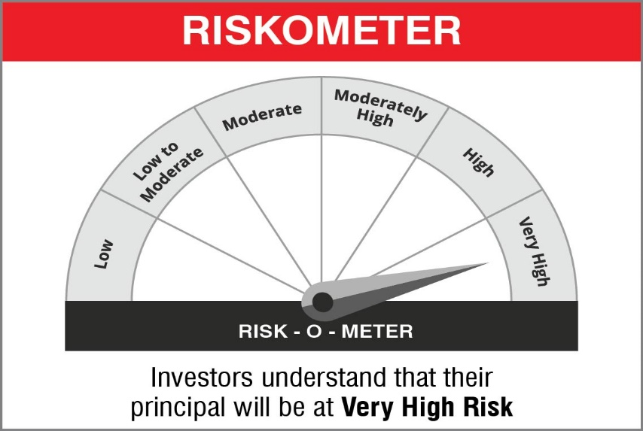

 | Name of the Benchmark and its risk-o-meter:
 | NIFTY 500 TRI

