NJELTSCH
 | NJ MUTUAL FUND

NJELTSCH | NJ ELSS Tax Saver Scheme
 | (An open ended equity linked saving scheme with a statutory lock in of 3 years and tax benefit)

 | Half-Yearly Portfolio Statement for the period ended September 30, 2023
 | Name of the Instrument | ISIN | Industry / Rating | Quantity | Market/Fair Value (Rs. in Lakhs) | % to Net Assets | YTM~ | YTC^ | null
 | Equity & Equity related
 | (a) Listed / awaiting listing on Stock Exchanges
SUPI02 | Supreme Industries Limited | INE195A01028 | Industrial Products | 14,853 | 612.17 | 4.96%
RCAM01 | Nippon Life India Asset Management Limited | INE298J01013 | Capital Markets | 179,527 | 588.76 | 4.77%
CDSL01 | Central Depository Services (India) Limited | INE736A01011 | Capital Markets | 42,603 | 579.32 | 4.69%
BFLS01 | MphasiS Limited | INE356A01018 | IT - Software | 23,597 | 560.81 | 4.54%
SOEL02 | Solar Industries India Limited | INE343H01029 | Chemicals & Petrochemicals | 11,529 | 555.70 | 4.50%
COFE03 | Coromandel International Limited | INE169A01031 | Fertilizers & Agrochemicals | 47,006 | 538.83 | 4.37%
LTTS01 | L&T Technology Services Limited | INE010V01017 | IT - Services | 11,318 | 517.91 | 4.20%
CAST03 | Castrol India Limited | INE172A01027 | Petroleum Products | 362,739 | 502.57 | 4.07%
TEMA02 | Tech Mahindra Limited | INE669C01036 | IT - Software | 40,414 | 494.18 | 4.00%
BALN01 | Bajaj Auto Limited | INE917I01010 | Automobiles | 9,613 | 486.77 | 3.94%
TCSL01 | Tata Consultancy Services Limited | INE467B01029 | IT - Software | 13,767 | 485.78 | 3.94%
PGCI01 | Power Grid Corporation of India Limited | INE752E01010 | Power | 242,423 | 484.24 | 3.92%
HCLT02 | HCL Technologies Limited | INE860A01027 | IT - Software | 38,839 | 479.58 | 3.89%
TWAT02 | Titan Company Limited | INE280A01028 | Consumer Durables | 14,888 | 468.79 | 3.80%
DIVI02 | Divi's Laboratories Limited | INE361B01024 | Pharmaceuticals & Biotechnology | 12,329 | 464.21 | 3.76%
MARC02 | Marico Limited | INE196A01026 | Agricultural Food & other Products | 82,624 | 464.06 | 3.76%
SOSO03 | Sonata Software Limited | INE269A01021 | IT - Software | 43,522 | 460.38 | 3.73%
LTIL01 | LTIMindtree Limited | INE214T01019 | IT - Software | 8,752 | 455.97 | 3.69%
IEEL02 | Indian Energy Exchange Limited | INE022Q01020 | Capital Markets | 343,298 | 453.84 | 3.68%
PAGE01 | Page Industries Limited | INE761H01022 | Textiles & Apparels | 1,138 | 443.58 | 3.59%
BOOT01 | Abbott India Limited | INE358A01014 | Pharmaceuticals & Biotechnology | 1,913 | 443.42 | 3.59%
CRED02 | CRISIL Limited | INE007A01025 | Finance | 11,274 | 442.41 | 3.58%
ITCL02 | ITC Limited | INE154A01025 | Diversified FMCG | 97,431 | 432.98 | 3.51%
ASPA02 | Asian Paints Limited | INE021A01026 | Consumer Durables | 13,355 | 422.16 | 3.42%
TAEL01 | Tata Elxsi Limited | INE670A01012 | IT - Software | 5,752 | 415.71 | 3.37%
 | Sub Total |  |  |  | 12,254.11 | 99.30%
 | (b) Unlisted |  |  |  | NIL | NIL
 | Sub Total |  |  |  | NIL | NIL
 | Total |  |  |  | 12,254.11 | 99.30%
 | Reverse Repo / TREPS
TRP_031023 | Clearing Corporation of India Ltd |  |  |  | 69.97 | 0.57% | 6.82%
 | Sub Total |  |  |  | 69.97 | 0.57%
 | Total |  |  |  | 69.97 | 0.57%
 | Net Receivables / (Payables) |  |  |  | 16.93 | 0.13%
 | GRAND TOTAL |  |  |  | 12,341.02 | 100.00%

 | ~ YTM as on September 30, 2023
 | ^ YTC represents Yield to Call provided by valuation agencies as on September 30, 2023. It is disclosed for Perpetual Bond issued by Banks (i.e. AT-1 Bond / Tier 1 Bond / Tier 2 Bond), as per AMFI Best Practices Guidelines Circular no. 135/BP/91/2020-21 read with SEBI circular No. SEBI/HO/IMD/IMD-PoD-1/P/CIR/2023/74 on Valuation of AT-1 Bonds and Tier 2 Bonds.
 | ## Since 01st NAV was declared on 19th June 2023, NA (Not Applicable) is considered as the opening NAV for the period.
 | ^^ Since 30th September 2023 was a non business day, NAV of 29th September 2023 is considered as the closing NAV for the period.

 | Notes:
 | 1. There is no security which is in default beyond its maturity / Interest payment date.
 | 2. Aggregate value of illiquid equity shares of the fund amounts to Rs. Nil and their percentage to Net Asset value is Nil
 | 3. NAV at the beginning of the period (scheme allotment date is 16 June 23) ##
 | Direct Plan - Growth Option | NA
 | Direct Plan - IDCW | NA
 | Regular Plan - Growth Option | NA
 | Regular Plan - IDCW | NA
 | NAV at the end of the period ^^
 | Direct Plan - Growth Option | 11.10
 | Direct Plan - IDCW | 11.10
 | Regular Plan - Growth Option | 11.04
 | Regular Plan - IDCW | 11.04
 | 4. No dividend declared during the half year ended September 30, 2023.
 | 5. Total Market value of investments in Foreign Securities/American Depository Receipts/Global Depository Receipts as at September 30, 2023 is Rs. Nil.
 | 6. Exposure to derivative instrument at the end of the half-year period is (value in Lacs) | Nil

 | A. Hedging Positions through Futures as on September 30, 2023
 | Underlying | Long / Short | Futures Price when purchased | Current price of the contract | Margin maintained in Rs. Lakhs
 | NIL

 | Total %age of existing assets hedged through futures : Nil

 | For the period ended September 30, 2023 following details specified for hedging transactions through futures which have been squared off/expired:
 | Total Number of contracts where futures were bought : Nil
 | Total Number of contracts where futures were sold : Nil
 | Gross Notional Value of contracts where futures were bought : Nil
 | Gross Notional Value of contracts where futures were sold : Nil
 | Net Profit/(Loss) value on all contracts combined : Nil

 | B. Other than Hedging Positions through Futures as on September 30, 2023
 | Underlying | Long / Short | Futures Price when purchased | Current price of the contract | Margin maintained in Rs. Lakhs
 | NIL

 | Total exposure due to futures (non hedging positions) as a %age of net assets : Nil
 | For the period ended September 30, 2023 following details specified for non-hedging transactions through futures which have been squared off/expired:
 | Total Number of contracts where futures were bought : Nil
 | Total Number of contracts where futures were sold : Nil
 | Gross Notional Value of contracts where futures were bought : Nil
 | Gross Notional Value of contracts where futures were sold : Nil
 | Net Profit/(Loss) value on all contracts combined : Nil

 | C. Hedging Positions through Put Options as on September 30, 2023 | NIL
 | Underlying | Number of Contracts | Option Price when purchased | Current Option Price
 | Nil
 | Total % age of existing assets hedged through put options | Nil
 | For the period ended September 30, 2023 following details specified for hedging transactions through options which have already been exercised/expired :

 | Total Number of contracts entered into | Nil
 | Gross Notional value of contracts | Nil
 | Net Profit/(Loss) on all contracts (premium paid treated as (Loss) | Nil

 | D. Other than Hedging Positions through Options as on September 30, 2023 | NIL
 | Underlying | Call / put | Number of contracts | Option Price when purchased | Current Price
 | Nil
 | Total Exposure through options as a %age of net assets | Nil
 | For the period ended September 30, 2023 following details specified with regard to non-hedging transactions through options which have already been exercised/expired :

 | Total Number of contracts entered into | Nil
 | Gross Notional value of contracts | Nil
 | Net Profit/(Loss) on all contracts (premium paid treated as loss) | Nil

 | E. Hedging Positions through Swap as on September 30, 2023 | Nil

 | 7. Investment in short term deposit at the end of the half-year period | Nil
 | 8. Portfolio Turnover Ratio | Nil
 | 9. The details of repo transactions of the scheme in corporate debt securities | Nil
 | 10. Total Exposure to illiquid securities | Nil
 | 11. Instances of fair valuation of Securities or Deviation in valuation from what is provided by valuation agencies | Nil

 | RISK-O-METER

 | NJ ELSS Tax Saver Scheme
 | This product is suitable for investors who are seeking*:
 | • Long term capital Growth • Diversified portfolio of predominantly equity and equity-related instruments *Investors should consult their financial advisors if in doubt about whether the product is suitable for them. | 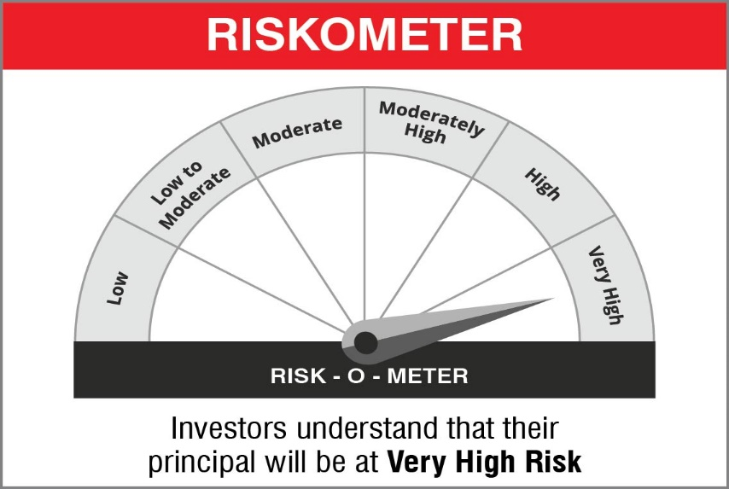

 | Name of the Benchmark and its risk-o-meter:
 | NIFTY 500 TRI

