NJFCP
NJ Mutual Fund
NJ Flexi Cap Fund
(an open ended dynamic equity scheme investing across large cap, mid cap, small cap stocks)

Monthly Portfolio Statement as on July 31, 2026
Name of the Instrument | ISIN | Industry/ Rating | Quantity | Market/Fair Value(Rs. in Lakhs) | % to Net Assets | YTM~ | YTC^ | null
Equity & Equity related
(a) Listed / awaiting listing on Stock Exchanges
Torrent Pharmaceuticals Limited | INE685A01028 | Pharmaceuticals & Biotechnology | 297,195 | 15,224.71 | 5.64%
Dr. Lal Path Labs Limited | INE600L01024 | Healthcare Services | 632,698 | 12,054.16 | 4.47%
Marico Limited | INE196A01026 | Agricultural Food & other Products | 1,377,730 | 11,995.21 | 4.44%
Eicher Motors Limited | INE066A01021 | Automobiles | 151,064 | 11,833.60 | 4.38%
Bosch Limited | INE323A01026 | Auto Components | 28,300 | 11,627.06 | 4.31%
ICICI Bank Limited | INE090A01021 | Banks | 807,165 | 11,586.05 | 4.29%
Britannia Industries Limited | INE216A01030 | Food Products | 202,044 | 10,943.71 | 4.05%
Cipla Limited | INE059A01026 | Pharmaceuticals & Biotechnology | 692,762 | 10,205.77 | 3.78%
Sun Pharmaceutical Industries Limited | INE044A01036 | Pharmaceuticals & Biotechnology | 489,125 | 9,736.03 | 3.61%
Alkem Laboratories Limited | INE540L01014 | Pharmaceuticals & Biotechnology | 162,270 | 9,332.96 | 3.46%
ITC Limited | INE154A01025 | Diversified FMCG | 3,276,153 | 9,205.99 | 3.41%
Nestle India Limited | INE239A01024 | Food Products | 555,510 | 8,385.98 | 3.11%
Oil & Natural Gas Corporation Limited | INE213A01029 | Oil | 3,355,192 | 8,137.35 | 3.02%
Dr. Reddy's Laboratories Limited | INE089A01031 | Pharmaceuticals & Biotechnology | 693,597 | 7,963.19 | 2.95%
Pidilite Industries Limited | INE318A01026 | Chemicals & Petrochemicals | 459,391 | 7,402.63 | 2.74%
Page Industries Limited | INE761H01022 | Textiles & Apparels | 16,787 | 6,777.75 | 2.51%
Hero MotoCorp Limited | INE158A01026 | Automobiles | 121,218 | 6,528.80 | 2.42%
HDFC Bank Limited | INE040A01034 | Banks | 842,585 | 6,303.80 | 2.34%
Ajanta Pharma Limited | INE031B01049 | Pharmaceuticals & Biotechnology | 172,590 | 5,980.59 | 2.22%
Kotak Mahindra Bank Limited | INE237A01036 | Banks | 1,211,854 | 4,729.87 | 1.75%
Bajaj Finance Limited | INE296A01032 | Finance | 372,972 | 4,256.36 | 1.58%
Colgate Palmolive (India) Limited | INE259A01022 | Personal Products | 203,154 | 4,217.68 | 1.56%
Havells India Limited | INE176B01034 | Consumer Durables | 314,814 | 3,968.86 | 1.47%
Emami Limited | INE548C01032 | Personal Products | 933,139 | 3,714.36 | 1.38%
Endurance Technologies Limited | INE913H01037 | Auto Components | 125,770 | 3,469.11 | 1.29%
HDFC Asset Management Company Limited | INE127D01025 | Capital Markets | 132,235 | 3,459.00 | 1.28%
Tech Mahindra Limited | INE669C01036 | IT - Software | 207,113 | 3,420.06 | 1.27%
Aptus Value Housing Finance India Limited | INE852O01025 | Finance | 1,270,178 | 3,317.70 | 1.23%
Indiamart Intermesh Limited | INE933S01016 | Retailing | 184,095 | 3,313.34 | 1.23%
Bajaj Auto Limited | INE917I01010 | Automobiles | 28,368 | 3,268.14 | 1.21%
Muthoot Finance Limited | INE414G01012 | Finance | 103,663 | 3,233.87 | 1.20%
The Great Eastern Shipping Company Limited | INE017A01032 | Transport Services | 228,840 | 3,090.26 | 1.15%
Mphasis Limited | INE356A01018 | IT - Software | 128,564 | 3,011.35 | 1.12%
Tata Technologies Limited | INE142M01025 | IT - Services | 361,505 | 2,702.79 | 1.00%
Kajaria Ceramics Limited | INE217B01036 | Consumer Durables | 216,224 | 2,591.01 | 0.96%
Berger Paints (I) Limited | INE463A01038 | Consumer Durables | 489,694 | 2,548.61 | 0.94%
UTI Asset Management Company Limited | INE094J01016 | Capital Markets | 276,398 | 2,496.15 | 0.92%
HCL Technologies Limited | INE860A01027 | IT - Software | 174,787 | 2,354.21 | 0.87%
Hindustan Aeronautics Limited | INE066F01020 | Aerospace & Defense | 50,403 | 2,341.98 | 0.87%
Castrol India Limited | INE172A01027 | Petroleum Products | 1,263,682 | 2,340.47 | 0.87%
Crompton Greaves Consumer Electricals Limited | INE299U01018 | Consumer Durables | 865,916 | 2,253.11 | 0.83%
ABB India Limited | INE117A01022 | Electrical Equipment | 30,257 | 2,204.07 | 0.82%
Tata Consultancy Services Limited | INE467B01029 | IT - Software | 83,742 | 1,981.00 | 0.73%
Infosys Limited | INE009A01021 | IT - Software | 167,836 | 1,896.71 | 0.70%
Tata Elxsi Limited | INE670A01012 | IT - Software | 46,306 | 1,700.77 | 0.63%
CRISIL Limited | INE007A01025 | Finance | 37,302 | 1,626.29 | 0.60%
Abbott India Limited | INE358A01014 | Pharmaceuticals & Biotechnology | 3,621 | 1,006.64 | 0.37%
SBI Cards and Payment Services Limited | INE018E01016 | Finance | 9,544 | 63.00 | 0.02%
Wipro Limited | INE075A01022 | IT - Software | 23,111 | 42.44 | 0.02%
Sub Total |  |  |  | 261,844.55 | 97.02%
(b) Unlisted |  |  |  | NIL | NIL
Sub Total |  |  |  | NIL | NIL
Total |  |  |  | 261,844.55 | 97.02%
Derivatives
Index / Stock Futures
SBI Cards and Payment Services Limited August 2026 Future |  | Finance | 431,200 | 2,851.96 | 1.06%
Wipro Limited August 2026 Future |  | IT - Software | 1,431,000 | 2,633.47 | 0.98%
Sub Total |  |  |  | 5,485.43 | 2.03%
Total |  |  |  | 5,485.43 | 2.03%
Money Market Instruments
Treasury Bill
91 Days Tbill (MD 28/08/2026) | IN002026X081 | Sovereign | 300,000 | 298.85 | 0.11% | 5.19%
364 Days Tbill (MD 06/08/2026) | IN002025Z195 | Sovereign | 200,000 | 199.86 | 0.07% | 5.15%
364 Days Tbill (MD 13/08/2026) | IN002025Z203 | Sovereign | 200,000 | 199.66 | 0.07% | 5.20%
364 Days Tbill (MD 28/08/2026) | IN002025Z229 | Sovereign | 100,000 | 99.62 | 0.04% | 5.19%
Sub Total |  |  |  | 797.99 | 0.30%
Total |  |  |  | 797.99 | 0.30%
Reverse Repo / TREPS
Clearing Corporation of India Ltd |  |  |  | 6,873.01 | 2.55% | 5.28%
Sub Total |  |  |  | 6,873.01 | 2.55%
(b) Privately placed / Unlisted |  |  |  | NIL | NIL
Sub Total |  |  |  | NIL | NIL
Total |  |  |  | 6,873.01 | 2.55%
Net Receivables / (Payables) |  |  |  | 377.10 | 0.14%
GRAND_TOTAL |  |  |  | 269,892.64 | 100.00%

~ YTM as on July 31, 2026
^ YTC represents Yield to Call provided by valuation agencies as on July 31, 2026. It is disclosed for Perpetual Bond issued by Banks (i.e. AT-1 Bond / Tier 1 Bond / Tier 2 Bond), as per AMFI Best Practices Guidelines Circular no. 135/BP/91/2020-21 read with SEBI circular No. SEBI/HO/24/13/11(1)2026-IMD-POD-1/I/7602/2026 on Valuation of AT-1 Bonds and Tier 2 Bonds.

Notes:
1. There is no security which is in default beyond its maturity / Interest payment date.
2. Aggregate value of illiquid equity shares of the fund amounts to Rs. Nil and their percentage to Net Asset value is Nil
3. NAV at the beginning of the period
Direct Plan - Growth Option | 13.35
Direct Plan - IDCW | 13.35
Regular Plan - Growth Option | 12.78
Regular Plan - IDCW | 12.78
NAV at the end of the period
Direct Plan - Growth Option | 13.89
Direct Plan - IDCW | 13.89
Regular Plan - Growth Option | 13.27
Regular Plan - IDCW | 13.27
4. No dividend declared during the month ended July 31, 2026..
5. Total Market value of investments in Foreign Securities/American Depository Receipts/Global Depository Receipts as at July 31, 2026. is Rs. Nil.
6. Exposure to derivative instrument at the end of the month is (value in Lacs) | 5,485.43

A. Hedging Positions through Futures as on July 31, 2026.
Underlying | Long / Short | Futures Price when purchased | Current price of the contract | Margin maintained in Rs. Lakhs
Nil | Nil | Nil | Nil | Nil

Total exposure due to futures (non hedging positions) as a %age of net assets : | Nil
For the period ended July 31, 2026. following details specified for non-hedging transactions through futures which have been squared off/expired:
Total Number of contracts where futures were bought : | Nil
Total Number of contracts where futures were sold : | Nil
Gross Notional Value of contracts where futures were bought : | Nil
Gross Notional Value of contracts where futures were sold : | Nil
Net Profit/(Loss) value on all contracts combined : | Nil

B. Other than Hedging Positions through Futures as on July 31, 2026.
Underlying | Long / Short | Futures Price when purchased | Current price of the contract | Margin maintained in Rs. Lakhs
SBI Cards and Payment Services Limited | Long | 629.56 | 661.40 | 506.62
Wipro Limited | Long | 171.19 | 184.03 | 475.48

Total exposure due to futures (non hedging positions) as a %age of net assets : | 2.03%
For the period ended July 31, 2026. following details specified for non-hedging transactions through futures which have been squared off/expired:
Total Number of contracts where futures were bought : | 0.00%
Total Number of contracts where futures were sold : | 1,237.00
Gross Notional Value of contracts where futures were bought : | 0.00
Gross Notional Value of contracts where futures were sold : | 695,163,779.80
Net Profit/(Loss) value on all contracts combined : | 26,673,756.88

C. Hedging Positions through Put Options as on July 31, 2026. | NIL
Underlying | Number of Contracts | Option Price when purchased | Current Option Price
Nil
Total % age of existing assets hedged through put options | Nil
For the period ended July 31, 2026. following details specified for hedging transactions through options which have already been exercised/expired :

Total Number of contracts entered into | Nil
Gross Notional value of contracts | Nil
Net Profit/(Loss) on all contracts (premium paid treated as (Loss) | Nil

D. Other than Hedging Positions through Options as on July 31, 2026. | NIL
Underlying | Call / put | Number of contracts | Option Price when purchased | Current Price
Nil
Total Exposure through options as a %age of net assets | Nil
For the period ended July 31, 2026. following details specified with regard to non-hedging transactions through options which have already been exercised/expired :

Total Number of contracts entered into | Nil
Gross Notional value of contracts | Nil
Net Profit/(Loss) on all contracts (premium paid treated as loss) | Nil

E. Hedging Positions through Swap as on July 31, 2026. | Nil

7. Investment in short term deposit at the end of the Month | Nil
8. Portfolio Turnover Ratio | 0.07 times
9. The details of repo transactions of the scheme in corporate debt securities | Nil
10. Total Exposure to illiquid securities | Nil
11. Instances of fair valuation of Securities or Deviation in valuation from what is provided by valuation agencies | Nil
12. Bonus declared during the period ended July 31, 2026. | Nil
13. Deviation in the mandated asset allocation pursuant to SEBI Circular SEBI/HO/24/13/11(1)2026-IMD-POD-1/I/7602/2026 dated March 20, 2026 | Nil

RISK-O-METER

NJ Flexi Cap fund
This product is suitable for investors who are seeking*:
● Long-term Capital appreciation. ● Investment predominantly in equity and equity related instruments. *Investors should consult their financial advisors if in doubt about whether the product is suitable for them. | 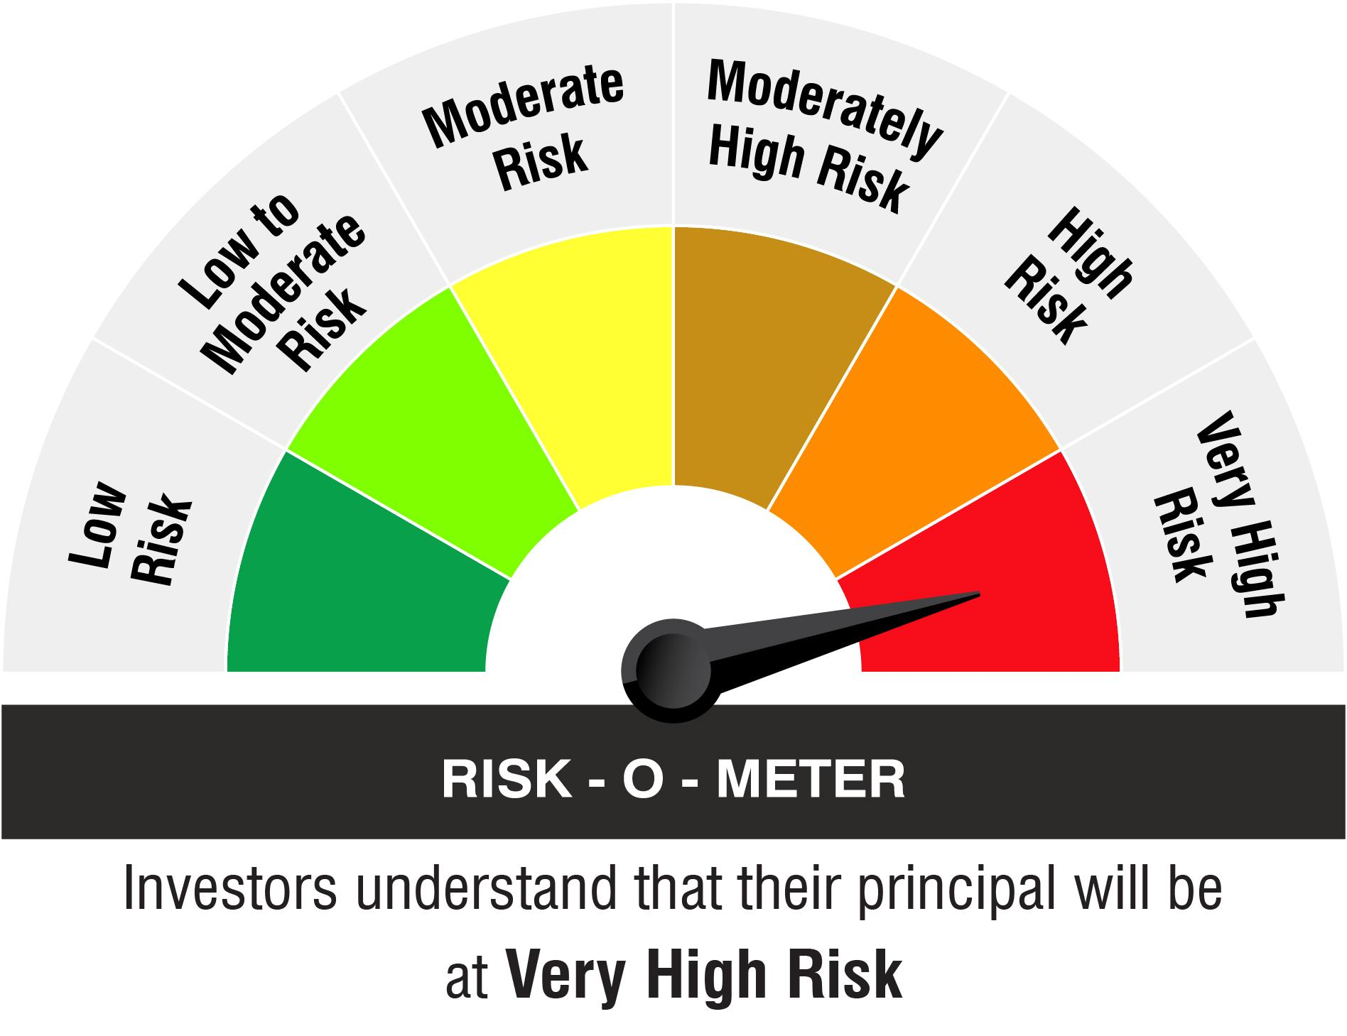

Name of the Benchmark and its risk-o-meter:
Nifty 500 TRI

