NJABF
 | NJ MUTUAL FUND

 | NJ Arbitrage Fund
 | (An open ended scheme investing in arbitrage opportunities )
 | Half-Yearly Portfolio Statement for the period ended September 30, 2022
 | Name of the Instrument | ISIN | Industry / Rating | Quantity | Market/Fair Value (Rs. in Lakhs) | % to Net Assets | YTM ~
 | Equity & Equity related
 | (a) Listed / awaiting listing on Stock Exchanges
MUND02 | Adani Ports and Special Economic Zone Limited | INE742F01042 | Transport Infrastructure | 33,750 | 276.97 | 5.57%
IBCL05 | ICICI Bank Limited | INE090A01021 | Banks | 31,625 | 272.61 | 5.48%
KOMA02 | Kotak Mahindra Bank Limited | INE237A01028 | Banks | 14,400 | 261.96 | 5.26%
ACCL02 | ACC Limited | INE012A01025 | Cement & Cement Products | 10,000 | 241.57 | 4.85%
SPIL03 | Sun Pharmaceutical Industries Limited | INE044A01036 | Pharmaceuticals & Biotechnology | 22,400 | 212.50 | 4.27%
MCSP02 | United Spirits Limited | INE854D01024 | Beverages | 24,375 | 205.31 | 4.13%
HDFB03 | HDFC Bank Limited | INE040A01034 | Banks | 13,200 | 187.62 | 3.77%
HDFC03 | Housing Development Finance Corporation Limited | INE001A01036 | Finance | 8,100 | 185.31 | 3.72%
FEBA02 | The Federal Bank Limited | INE171A01029 | Banks | 150,000 | 178.13 | 3.58%
GUAM02 | Ambuja Cements Limited | INE079A01024 | Cement & Cement Products | 34,200 | 176.34 | 3.54%
ICEM01 | The India Cements Limited | INE383A01012 | Cement & Cement Products | 63,800 | 171.69 | 3.45%
ZEET02 | Zee Entertainment Enterprises Limited | INE256A01028 | Entertainment | 54,000 | 139.40 | 2.80%
HCLT02 | HCL Technologies Limited | INE860A01027 | IT - Software | 14,000 | 130.53 | 2.62%
ASHL02 | Ashok Leyland Limited | INE208A01029 | Agricultural, Commercial & Construction Vehicles | 80,000 | 122.12 | 2.45%
HINI02 | Hindalco Industries Limited | INE038A01020 | Non - Ferrous Metals | 31,175 | 121.75 | 2.45%
RIND01 | Reliance Industries Limited | INE002A01018 | Petroleum Products | 4,000 | 95.11 | 1.91%
HLEL02 | Hindustan Unilever Limited | INE030A01027 | Diversified FMCG | 3,300 | 88.98 | 1.79%
MAUD01 | Maruti Suzuki India Limited | INE585B01010 | Automobiles | 800 | 70.63 | 1.42%
PUBA02 | Punjab National Bank | INE160A01022 | Banks | 192,000 | 70.18 | 1.41%
TCHE01 | Tata Chemicals Limited | INE092A01019 | Chemicals & Petrochemicals | 5,000 | 55.24 | 1.11%
GAIL01 | GAIL (India) Limited | INE129A01019 | Gas | 54,900 | 47.79 | 0.96%
DLFL01 | DLF Limited | INE271C01023 | Realty | 13,200 | 47.08 | 0.95%
SESA02 | Vedanta Limited | INE205A01025 | Diversified Metals | 15,500 | 41.86 | 0.84%
BAND01 | Bandhan Bank Limited | INE545U01014 | Banks | 14,400 | 38.39 | 0.77%
UTIB02 | Axis Bank Limited | INE238A01034 | Banks | 3,600 | 26.40 | 0.53%
ILOM01 | ICICI Lombard General Insurance Company Limited | INE765G01017 | Insurance | 1,275 | 14.68 | 0.29%
HDLI01 | HDFC Life Insurance Company Limited | INE795G01014 | Insurance | 1,100 | 5.83 | 0.12%
 | Sub Total |  |  |  | 3,485.98 | 70.04%
 | (b) Unlisted |  |  |  | NIL | NIL
 | Sub Total |  |  |  | NIL | NIL
 | Total |  |  |  | 3,485.98 | 70.04%
 | Derivatives
 | Index / Stock Futures
HDLIOCT22 | HDFC Life Insurance Company Limited October 2022 Future |  | Insurance | -1,100 | (5.85) | (0.12)%
ILOMOCT22 | ICICI Lombard General Insurance Company Limited October 2022 Future |  | Insurance | -1,275 | (14.72) | (0.30)%
HLELNOV22 | Hindustan Unilever Limited November 2022 Future |  | Diversified FMCG | -600 | (16.20) | (0.33)%
UTIBOCT22 | Axis Bank Limited October 2022 Future |  | Banks | -3,600 | (26.48) | (0.53)%
BANDOCT22 | Bandhan Bank Limited October 2022 Future |  | Banks | -14,400 | (38.48) | (0.77)%
SESAOCT22 | Vedanta Limited October 2022 Future |  | Diversified Metals | -15,500 | (42.09) | (0.85)%
DLFLOCT22 | DLF Limited October 2022 Future |  | Realty | -13,200 | (47.37) | (0.95)%
GAILOCT22 | GAIL (India) Limited October 2022 Future |  | Gas | -54,900 | (47.90) | (0.96)%
TCHEOCT22 | Tata Chemicals Limited October 2022 Future |  | Chemicals & Petrochemicals | -5,000 | (55.40) | (1.11)%
PUBAOCT22 | Punjab National Bank October 2022 Future |  | Banks | -192,000 | (70.46) | (1.42)%
MAUDOCT22 | Maruti Suzuki India Limited October 2022 Future |  | Automobiles | -800 | (70.84) | (1.42)%
HLELOCT22 | Hindustan Unilever Limited October 2022 Future |  | Diversified FMCG | -2,700 | (72.82) | (1.46)%
RINDOCT22 | Reliance Industries Limited October 2022 Future |  | Petroleum Products | -4,000 | (95.40) | (1.92)%
HINIOCT22 | Hindalco Industries Limited October 2022 Future |  | Non - Ferrous Metals | -31,175 | (122.30) | (2.46)%
ASHLOCT22 | Ashok Leyland Limited October 2022 Future |  | Agricultural, Commercial & Construction Vehicles | -80,000 | (122.92) | (2.47)%
HCLTOCT22 | HCL Technologies Limited October 2022 Future |  | IT - Software | -14,000 | (129.40) | (2.60)%
ZEETOCT22 | Zee Entertainment Enterprises Limited October 2022 Future |  | Entertainment | -54,000 | (140.32) | (2.82)%
ICEMOCT22 | The India Cements Limited October 2022 Future |  | Cement & Cement Products | -63,800 | (173.44) | (3.49)%
GUAMOCT22 | Ambuja Cements Limited October 2022 Future |  | Cement & Cement Products | -34,200 | (177.34) | (3.56)%
FEBAOCT22 | The Federal Bank Limited October 2022 Future |  | Banks | -150,000 | (178.65) | (3.59)%
HDFCOCT22 | Housing Development Finance Corporation Limited October 2022 Future |  | Finance | -8,100 | (186.27) | (3.74)%
HDFBOCT22 | HDFC Bank Limited October 2022 Future |  | Banks | -13,200 | (188.21) | (3.78)%
MCSPOCT22 | United Spirits Limited October 2022 Future |  | Beverages | -24,375 | (206.51) | (4.15)%
SPILOCT22 | Sun Pharmaceutical Industries Limited October 2022 Future |  | Pharmaceuticals & Biotechnology | -22,400 | (213.05) | (4.28)%
ACCLOCT22 | ACC Limited October 2022 Future |  | Cement & Cement Products | -10,000 | (242.24) | (4.87)%
KMBKOCT22 | Kotak Mahindra Bank Limited October 2022 Future |  | Banks | -14,400 | (262.77) | (5.28)%
IBCLOCT22 | ICICI Bank Limited October 2022 Future |  | Banks | -31,625 | (274.03) | (5.51)%
MUNDOCT22 | Adani Ports and Special Economic Zone Limited October 2022 Future |  | Transport Infrastructure | -33,750 | (278.66) | (5.60)%
 | Sub Total |  |  |  | (3,500.12) | (70.34)%
 | Total |  |  |  | (3,500.12) | (70.34)%
 | Debt Instruments
 | (a) Listed / awaiting listing on Stock Exchange |  |  |  | NIL | NIL
 | Sub Total |  |  |  | NIL | NIL
 | (b) Privately placed / Unlisted |  |  |  | NIL | NIL
 | Sub Total |  |  |  | NIL | NIL
 | (c) Securitized Debt Instruments |  |  |  | NIL | NIL
 | Sub Total |  |  |  | NIL | NIL
 | Total |  |  |  | NIL | NIL
 | Money Market Instruments
 | Treasury Bill
TBIL2064 | 182 Days Tbill (MD 15/12/2022) | IN002022Y112 | Sovereign | 500,000 | 493.91 | 9.93% | 6.00%
TBIL2079 | 182 Days Tbill (MD 26/01/2023) | IN002022Y179 | Sovereign | 300,000 | 294.15 | 5.91% | 6.20%
TBIL2078 | 182 Days Tbill (MD 19/01/2023) | IN002022Y161 | Sovereign | 200,000 | 196.33 | 3.95% | 6.20%
 | Sub Total |  |  |  | 984.39 | 19.79%
 | Total |  |  |  | 984.39 | 19.79%
 | Reverse Repo / TREPS
TRP_031022 | Clearing Corporation of India Ltd |  |  |  | 434.86 | 8.74% | 5.75%
 | Sub Total |  |  |  | 434.86 | 8.74%
 | Total |  |  |  | 434.86 | 8.74%
 | Net Receivables / (Payables) |  |  |  | 3,570.65 | 71.77%
 | GRAND TOTAL |  |  |  | 4,975.76 | 100.00%

 | ~ YTM as on September 30, 2022

 | Notes:
 | 1. There is no security which is in default beyond its maturity / Interest payment date.
 | 2. Aggregate value of illiquid equity shares of the fund amounts to Rs. Nil and their percentage to Net Asset value is Nil
 | 3. NAV at the beginning of the period (scheme allotment date is 01 Aug 22)
 | Direct Growth | NA
 | Regular Growth | NA
 | NAV at the end of the period
 | Direct Growth | 10.0896
 | Regular Growth | 10.0772
 | 4. No dividend declared during the half year ended September 30, 2022.
 | 5. Total Market value of investments in Foreign Securities/American Depository Receipts/Global Depository Receipts as at September 30, 2022 is Rs. Nil.
 | 6. Exposure to derivative instrument at the end of the half-year period is (value in Lacs) | (3,500.12)

 | A. Hedging Positions through Futures as on September 30, 2022
 | Underlying | Long / Short | Futures Price when purchased | Current price of the contract | Margin maintained in Rs. Lakhs
 | ACC Limited | Short | 2,401.18 | 2,422.40 | 47.44
 | Ashok Leyland Limited | Short | 150.81 | 153.65 | 39.52
 | Bandhan Bank Limited | Short | 255.89 | 267.20 | 17.33
 | DLF Limited | Short | 347.51 | 358.90 | 12.13
 | The Federal Bank Limited | Short | 112.94 | 119.10 | 51.96
 | GAIL (India) Limited | Short | 86.13 | 87.25 | 19.66
 | Ambuja Cements Limited | Short | 494.98 | 518.55 | 88.50
 | HCL Technologies Limited | Short | 919.67 | 924.25 | 30.64
 | HDFC Bank Limited | Short | 1,467.08 | 1,425.80 | 33.28
 | Housing Development Finance Corporation Limited | Short | 2,278.77 | 2,299.60 | 48.09
 | HDFC Life Insurance Company Limited | Short | 530.37 | 532.00 | 1.31
 | Hindalco Industries Limited | Short | 391.98 | 392.30 | 33.29
 | Hindustan Unilever Limited | Short | 2,711.82 | 2,699.55 | 1.75
 | Hindustan Unilever Limited | Short | 2,707.22 | 2,696.90 | 7.81
 | ICICI Bank Limited | Short | 864.26 | 866.50 | 51.93
 | The India Cements Limited | Short | 243.05 | 271.85 | 49.90
 | ICICI Lombard General Insurance Company Limited | Short | 1,164.14 | 1,154.30 | 2.83
 | Kotak Mahindra Bank Limited | Short | 1,814.01 | 1,824.80 | 74.64
 | Maruti Suzuki India Limited | Short | 8,976.76 | 8,854.50 | 18.68
 | United Spirits Limited | Short | 855.40 | 847.20 | 42.02
 | Adani Ports and Special Economic Zone Limited | Short | 906.11 | 825.65 | 106.57
 | Punjab National Bank | Short | 40.23 | 36.70 | 25.35
 | Reliance Industries Limited | Short | 2,410.28 | 2,385.00 | 21.08
 | Vedanta Limited | Short | 270.95 | 271.55 | 14.70
 | Sun Pharmaceutical Industries Limited | Short | 909.84 | 951.10 | 51.09
 | Tata Chemicals Limited | Short | 1,040.79 | 1,107.95 | 13.66
 | Axis Bank Limited | Short | 730.90 | 735.45 | 6.53
 | Zee Entertainment Enterprises Limited | Short | 260.61 | 259.85 | 62.93

 | Total %age of existing assets hedged through futures : (70.34)%

 | For the period ended September 30, 2022 following details specified for hedging transactions through futures which have been squared off/expired:
 | Total Number of contracts where futures were bought : 643
 | Total Number of contracts where futures were sold : 643
 | Gross Notional Value of contracts where futures were bought : Rs. 403,889,563.45
 | Gross Notional Value of contracts where futures were sold : Rs. 404,564,412.68
 | Net Profit/(Loss) value on all contracts combined : Rs. 513,206.80

 | B. Other than Hedging Positions through Futures as on September 30, 2022
 | Underlying | Long / Short | Futures Price when purchased | Current price of the contract | Margin maintained in Rs. Lakhs
 | NIL

 | Total exposure due to futures (non hedging positions) as a %age of net assets : Nil
 | For the period ended September 30, 2022 following details specified for non-hedging transactions through futures which have been squared off/expired:
 | Total Number of contracts where futures were bought : Nil
 | Total Number of contracts where futures were sold : Nil
 | Gross Notional Value of contracts where futures were bought : Nil
 | Gross Notional Value of contracts where futures were sold : Nil
 | Net Profit/(Loss) value on all contracts combined : Nil

 | C. Hedging Positions through Put Options as on September 30, 2022
 | Underlying | Number of Contracts | Option Price when purchased | Current Option Price
 | Nil
 | Total % age of existing assets hedged through put options | Nil
 | For the period ended September 30, 2022 following details specified for hedging transactions through options which have already been exercised/expired :

 | Total Number of contracts entered into | Nil
 | Gross Notional value of contracts | Nil
 | Net Profit/(Loss) on all contracts (premium paid treated as (Loss) | Nil

 | D. Other than Hedging Positions through Options as on September 30, 2022
 | Underlying | Call / put | Number of contracts | Option Price when purchased | Current Price
 | Nil
 | Total Exposure through options as a %age of net assets | Nil
 | For the period ended September 30, 2022 following details specified with regard to non-hedging transactions through options which have already been exercised/expired :

 | Total Number of contracts entered into | Nil
 | Gross Notional value of contracts | Nil
 | Net Profit/(Loss) on all contracts (premium paid treated as loss) | Nil

 | E. Hedging Positions through Swap as on September 30, 2022 | Nil

 | 7. Investment in short term deposit at the end of the half-year period | Nil
 | 8. Portfolio Turnover Ratio | 2.26 times
 | 9. The details of repo transactions of the scheme in corporate debt securities | Nil
 | 10. Total Exposure to illiquid securities | Nil
 | 11. Instances of fair valuation of Securities or Deviation in valuation from what is provided by valuation agencies | Nil
 | 12. Deviation in the mandated asset allocation pursuant to SEBI Circular SEBI/HO/IMD/IMD-II DOF3/P/CIR/2022/39 dated March 30, 2022 | Nil

 | NJ Arbitrage Fund
 | This product is suitable for investors who are seeking*: | 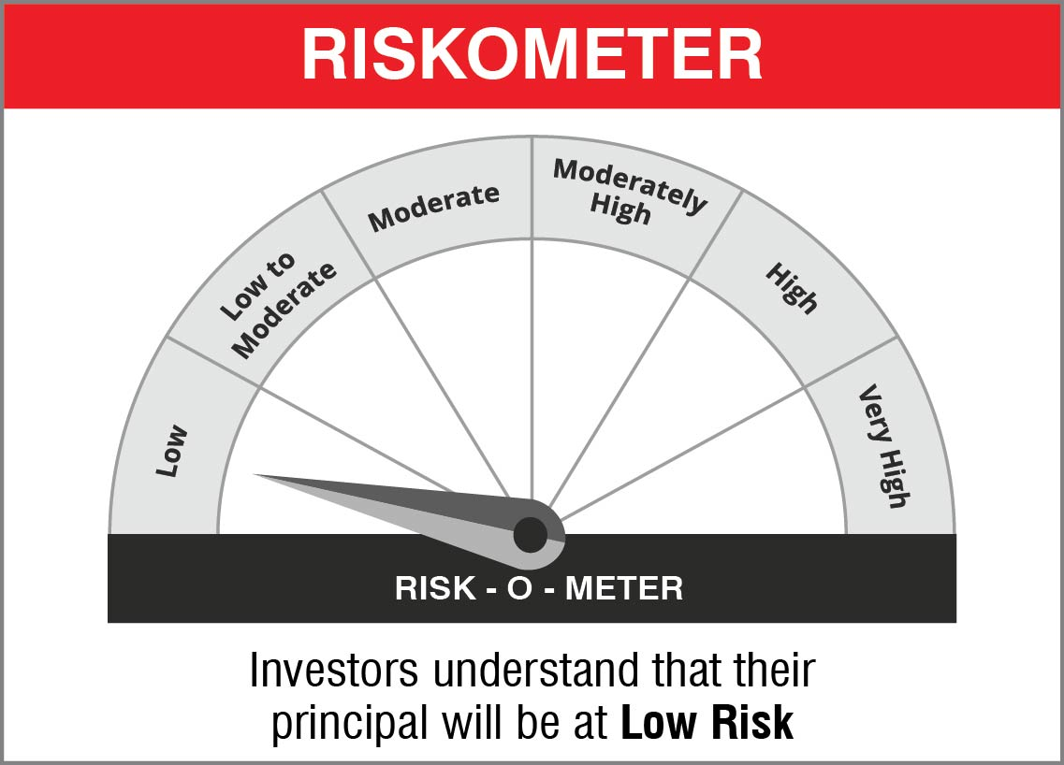
 | - To generate income by investing in arbitrage opportunities - Predominantly investing in arbitrage opportunities in the cash and derivatives segment of the equity market

 | Name of the Benchmark and its risk-o-meter:
 | NIFTY 50 Arbitrage

