NJELSTCH
NJ Mutual Fund
NJ ELSS Tax Saver Scheme
(An open ended equity linked saving scheme with a statutory lock in of 3 years and tax benefit)

Half Yearly Portfolio Statement as on March 31, 2026
Name of the Instrument | ISIN | Industry/ Rating | Quantity | Market/Fair Value(Rs. in Lakhs) | % to Net Assets | YTM~ | YTC^ | null
Equity & Equity related
(a) Listed / awaiting listing on Stock Exchanges
The Great Eastern Shipping Company Limited | INE017A01032 | Transport Services | 166,645 | 2,357.53 | 8.00%
Marico Limited | INE196A01026 | Agricultural Food & other Products | 237,458 | 1,747.57 | 5.93%
Britannia Industries Limited | INE216A01030 | Food Products | 30,124 | 1,633.62 | 5.54%
Bayer Cropscience Limited | INE462A01022 | Fertilizers & Agrochemicals | 34,425 | 1,599.25 | 5.42%
Hero MotoCorp Limited | INE158A01026 | Automobiles | 30,261 | 1,532.11 | 5.20%
Pidilite Industries Limited | INE318A01026 | Chemicals & Petrochemicals | 112,809 | 1,449.60 | 4.92%
Akzo Nobel India Limited | INE133A01011 | Consumer Durables | 50,038 | 1,423.43 | 4.83%
Page Industries Limited | INE761H01022 | Textiles & Apparels | 4,435 | 1,409.22 | 4.78%
Mphasis Limited | INE356A01018 | IT - Software | 62,379 | 1,280.64 | 4.34%
Bosch Limited | INE323A01026 | Auto Components | 4,324 | 1,242.93 | 4.22%
AU Small Finance Bank Limited | INE949L01017 | Banks | 141,544 | 1,192.79 | 4.05%
Pfizer Limited | INE182A01018 | Pharmaceuticals & Biotechnology | 23,891 | 1,127.77 | 3.83%
Alkem Laboratories Limited | INE540L01014 | Pharmaceuticals & Biotechnology | 20,350 | 1,078.35 | 3.66%
Can Fin Homes Limited | INE477A01020 | Finance | 135,616 | 1,074.15 | 3.64%
Abbott India Limited | INE358A01014 | Pharmaceuticals & Biotechnology | 4,107 | 1,064.33 | 3.61%
Muthoot Finance Limited | INE414G01012 | Finance | 33,633 | 1,062.84 | 3.61%
Rainbow Childrens Medicare Limited | INE961O01016 | Healthcare Services | 88,728 | 1,032.00 | 3.50%
Metropolis Healthcare Limited | INE112L01020 | Healthcare Services | 216,900 | 941.35 | 3.19%
Dr. Lal Path Labs Limited | INE600L01024 | Healthcare Services | 70,662 | 927.16 | 3.15%
CRISIL Limited | INE007A01025 | Finance | 23,329 | 877.45 | 2.98%
HDFC Asset Management Company Limited | INE127D01025 | Capital Markets | 37,416 | 829.29 | 2.81%
SBI Cards and Payment Services Limited | INE018E01016 | Finance | 118,025 | 749.99 | 2.54%
UTI Asset Management Company Limited | INE094J01016 | Capital Markets | 79,366 | 743.94 | 2.52%
Aptus Value Housing Finance India Limited | INE852O01025 | Finance | 323,697 | 629.82 | 2.14%
SKF India (Industrial) Ltd | INE2J8701016 | Industrial Products | 8,815 | 183.63 | 0.62%
SKF India Limited | INE640A01023 | Auto Components | 8,815 | 124.62 | 0.42%
Sub Total |  |  |  | 29,315.37 | 99.44%
(b) Unlisted |  |  |  | NIL | NIL
Sub Total |  |  |  | NIL | NIL
Total |  |  |  | 29,315.37 | 99.44%
Reverse Repo / TREPS
Clearing Corporation of India Ltd |  |  |  | 144.98 | 0.49% | 5.00%
Sub Total |  |  |  | 144.98 | 0.49%
(b) Privately placed / Unlisted |  |  |  | NIL | NIL
Sub Total |  |  |  | NIL | NIL
Total |  |  |  | 144.98 | 0.49%
Net Receivables / (Payables) |  |  |  | 19.26 | 0.07%
GRAND_TOTAL |  |  |  | 29,479.61 | 100.00%

~ YTM as on March 31, 2026
^ YTC represents Yield to Call provided by valuation agencies as on March 31, 2026.. It is disclosed for Perpetual Bond issued by Banks (i.e. AT-1 Bond / Tier 1 Bond / Tier 2 Bond), as per AMFI Best Practices Guidelines Circular no. 135/BP/91/2020-21 read with SEBI circular No. SEBI/HO/IMD/IMD-PoD-1/P/CIR/2024/90 on Valuation of AT-1 Bonds and Tier 2 Bonds.

Notes:
1. There is no security which is in default beyond its maturity / Interest payment date.
2. Aggregate value of illiquid equity shares of the fund amounts to Rs. Nil and their percentage to Net Asset value is Nil
3. NAV at the beginning of the period
Direct Plan - Growth Option | 14.69
Direct Plan - IDCW | 14.69
Regular Plan - Growth Option | 14.1
Regular Plan - IDCW | 14.1
NAV at the end of the period
Direct Plan - Growth Option | 13.11
Direct Plan - IDCW | 13.11
Regular Plan - Growth Option | 12.48
Regular Plan - IDCW | 12.48
4. No dividend declared during the Half Year ended March 31, 2026.
5. Total Market value of investments in Foreign Securities/American Depository Receipts/Global Depository Receipts as at March 31, 2026. is Rs. Nil.
6. Exposure to derivative instrument at the end of the half year is (value in Lacs) | Nil

A. Hedging Positions through Futures as on March 31, 2026.
Underlying | Long / Short | Futures Price when purchased | Current price of the contract | Margin maintained in Rs. Lakhs
Nil | Nil | Nil | Nil | Nil

Total exposure due to futures (non hedging positions) as a %age of net assets : | Nil
For the period ended March 31, 2026. following details specified for non-hedging transactions through futures which have been squared off/expired:
Total Number of contracts where futures were bought : | Nil
Total Number of contracts where futures were sold : | Nil
Gross Notional Value of contracts where futures were bought : | Nil
Gross Notional Value of contracts where futures were sold : | Nil
Net Profit/(Loss) value on all contracts combined : | Nil

B. Other than Hedging Positions through Futures as on March 31, 2026.
Underlying | Long / Short | Futures Price when purchased | Current price of the contract | Margin maintained in Rs. Lakhs
NIL

Total exposure due to futures (non hedging positions) as a %age of net assets : | Nil
For the period ended March 31, 2026. following details specified for non-hedging transactions through futures which have been squared off/expired:
Total Number of contracts where futures were bought : | Nil
Total Number of contracts where futures were sold : | Nil
Gross Notional Value of contracts where futures were bought : | Nil
Gross Notional Value of contracts where futures were sold : | Nil
Net Profit/(Loss) value on all contracts combined : | Nil

C. Hedging Positions through Put Options as on March 31, 2026. | NIL
Underlying | Number of Contracts | Option Price when purchased | Current Option Price
Nil
Total % age of existing assets hedged through put options | Nil
For the period ended March 31, 2026. following details specified for hedging transactions through options which have already been exercised/expired :

Total Number of contracts entered into | Nil
Gross Notional value of contracts | Nil
Net Profit/(Loss) on all contracts (premium paid treated as (Loss) | Nil

D. Other than Hedging Positions through Options as on March 31, 2026. | NIL
Underlying | Call / put | Number of contracts | Option Price when purchased | Current Price
Nil
Total Exposure through options as a %age of net assets | Nil
For the period ended March 31, 2026. following details specified with regard to non-hedging transactions through options which have already been exercised/expired :

Total Number of contracts entered into | Nil
Gross Notional value of contracts | Nil
Net Profit/(Loss) on all contracts (premium paid treated as loss) | Nil

E. Hedging Positions through Swap as on March 31, 2026. | Nil

7. Investment in short term deposit at the end of the half year | Nil
8. Portfolio Turnover Ratio | 0.54 times
9. The details of repo transactions of the scheme in corporate debt securities | Nil
10. Total Exposure to illiquid securities | Nil
11. Instances of fair valuation of Securities or Deviation in valuation from what is provided by valuation agencies | Nil
12. Bonus declared during the period ended March 31, 2026. | Nil
13. Deviation in the mandated asset allocation pursuant to SEBI Circular SEBI/HO/IMD/IMD-PoD-1/P/CIR/2024/90 dated June 27, 2024 | Nil

RISK-O-METER

NJ ELSS Tax Saver Scheme
This product is suitable for investors who are seeking*:
• Capital appreciation & generating income over long term • Investment in a portfolio predominantly consisting of equity and equity related instruments *Investors should consult their financial advisors if in doubt about whether the product is suitable for them. | 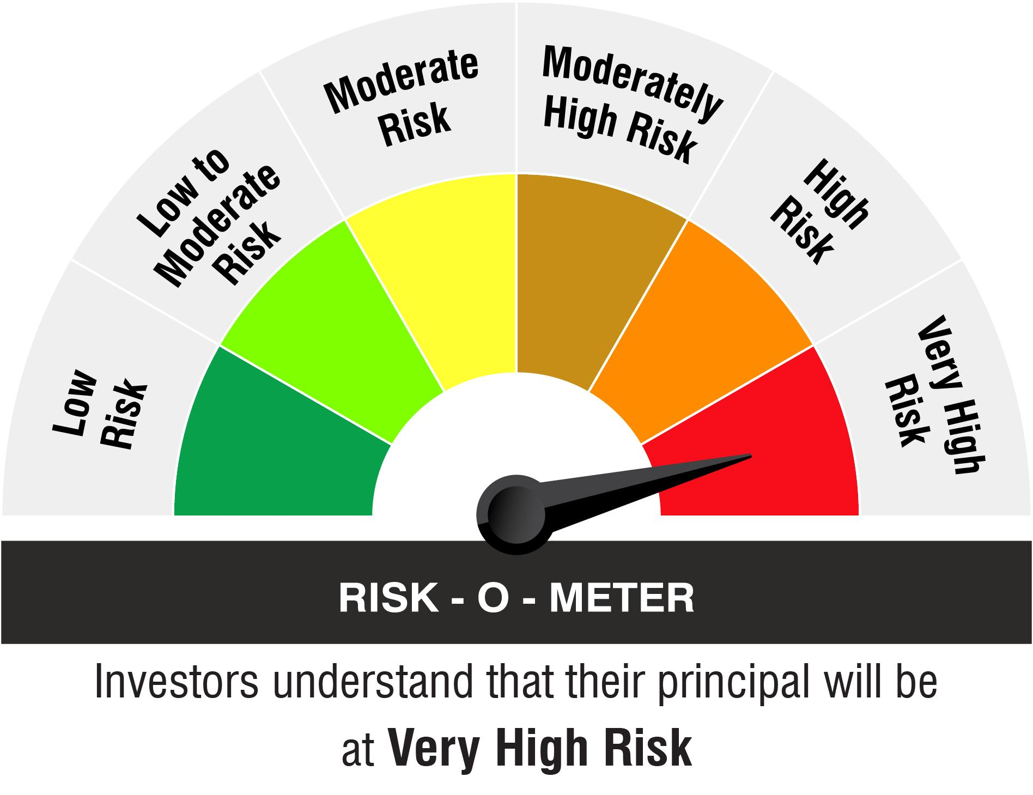

Name of the Benchmark and its risk-o-meter:
NIFTY 500 TRI

