NJOVERFD
 | NJ MUTUAL FUND

NJOVERFD | NJ Overnight Fund
 | (An open ended debt scheme investing in overnight securities with a relatively low interest rate risk and relatively low credit risk)

 | Half-Yearly Portfolio Statement for the period ended September 30, 2023
 | Name of the Instrument | ISIN | Industry / Rating | Quantity | Market/Fair Value (Rs. in Lakhs) | % to Net Assets | YTM~ | YTC^ | null
 | Reverse Repo / TREPS
TRP_031023 | Clearing Corporation of India Ltd |  |  |  | 13,010.14 | 99.18% | 6.82%
 | Sub Total |  |  |  | 13,010.14 | 99.18%
 | Total |  |  |  | 13,010.14 | 99.18%
 | Net Receivables / (Payables) |  |  |  | 107.42 | 0.82%
 | GRAND TOTAL |  |  |  | 13,117.56 | 100.00%

 | ~ YTM as on September 30, 2023
 | ^ YTC represents Yield to Call provided by valuation agencies as on September 30, 2023. It is disclosed for Perpetual Bond issued by Banks (i.e. AT-1 Bond / Tier 1 Bond / Tier 2 Bond), as per AMFI Best Practices Guidelines Circular no. 135/BP/91/2020-21 read with SEBI circular No. SEBI/HO/IMD/IMD-PoD-1/P/CIR/2023/74 on Valuation of AT-1 Bonds and Tier 2 Bonds.
 | $$ Since 1st April 2023 were non business days, NAV of 3rd April 2023 is considered as the opening NAV for the period.
 | ^^ As NAV at the end of the period 30th September being a non business day, 29th September NAV is considered .

 | Notes:
 | 1. There is no security which is in default beyond its maturity / Interest payment date.
 | 2. Aggregate value of illiquid securities of the fund amounts to Rs. Nil and their percentage to Net Asset value is Nil
 | 3. NAV at the beginning of the period $$
 | Direct Plan - Growth Option | 1,040.0741
 | Regular Plan - Growth Option | 1,039.3685
 | NAV at the end of the period ^^
 | Direct Plan - Growth Option | 1073.5319
 | Regular Plan - Growth Option | 1072.2762
 | 4. No dividend declared during the half year ended September 30, 2023.
 | 5. Total Market value of investments in Foreign Securities/American Depository Receipts/Global Depository Receipts as at September 30, 2023 is Rs. Nil.
 | 6. Exposure to derivative instrument at the end of the half-year period is (value in Lacs) | Nil
 | 7. Investment in short term deposit at the end of the half-year period | Nil
 | 8. Average Portfolio Maturity | 3 days
 | 11. No Bonus declared during the period ended September 30, 2023 | Nil
 | 12. The details of repo transactions of the scheme in corporate debt securities | Nil

 |  | Portfolio Information
 | Scheme Name : | NJ Overnight Fund
 | Description (if any) | An open ended debt scheme investing in overnight securities with a relatively low interest rate risk and relatively low credit risk

 | Annualised Portfolio YTM* : | 6.82%

 | Macaulay Duration | 03 Days
 | Residual Maturity | 03 Days

 | As on (Date) | 2023-09-30
 | * in case of semi annual YTM, it will be annualised

 | RISK-O-METER

 | NJ Overnight Fund
 | This product is suitable for investors who are seeking*:
 | - An overnight fund that aims to generate optimal returns in line with overnight rates and high liquidity - To invest in debt and money market instruments with maturity of 1 day *Investors should consult their financial advisors if in doubt about whether the product is suitable for them. | 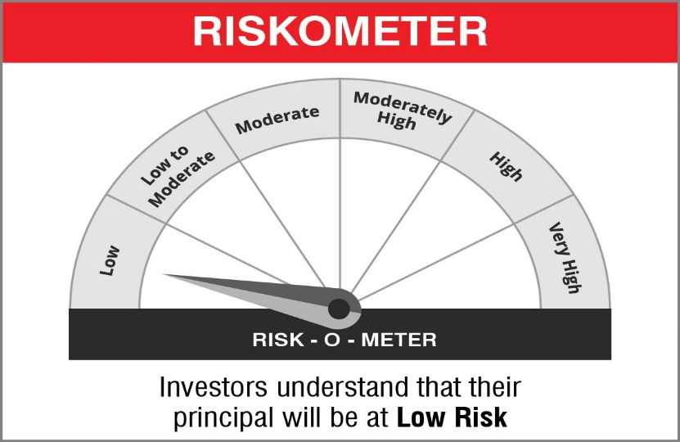

 | Name of the Benchmark and its risk-o-meter:
 | NIFTY 1D Rate Index

 | 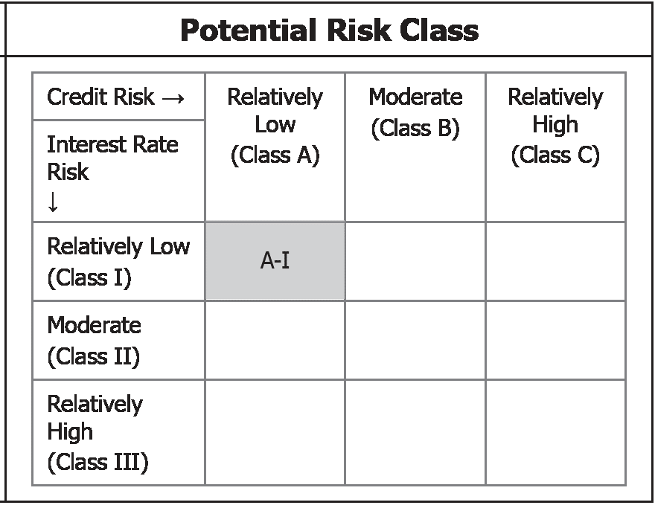 | A Relatively Low Interest Rate Risk and Relatively Low Credit Risk

